1. Title Page
[Instacart Grocery Basket Analysis]

Project Name: Instacart Grocery Basket Analysis
Date: September 10th, 2023
Analyst Name: Navya Arigapudi

Contents:
Population Flow
Consistency checks
Wrangling steps
Column derivations
Visualizations
Recommendations

Data Citation: “The Instacart Online Grocery Shopping Dataset 2017”, Accessed from www.instacart.com/datasets/grocery-shopping-2017 via Kaggle on September 10th, 2023.
 | NOTE: The customer dataset and the prices column were fabricated to practice various functions in Python.

2. Population Flow
Title page

Population flow

Exclusion flag
Condition: max_order < 99
Obervations to be removed: 1 column
Final total count of order_products_all: 29790499

Orders_products_combined
Orders_products_merged
Orders_products_all

Total: 16471603
Total: 32434489
Total: 29790499

1.) The grey boxes in the first row of the population flow represent the original data sets as they were when you downloaded them. In the Total fields you need to add the count of the rows when you imported the data set into Jupyter.
2.) The second row of boxes (coloured) represents the data sets after you manipulated them, e.g., removed missing values and duplicates. In the Total fields you need to add the count of the rows after conducting these operations. This offers a visual oveview of how the data flows throughout the data consistency checks.
3.) The third row, where also the arrows are coloured, represents the merges you performed between the datasets. In the Total fields you need to add the count of the rows in the merged datasets, so that you end up with the final dataset (in the red box). Keep in mind the final dataset should be without exclusions (based on the exclusion flag).

3. Consistency checks
 |  |  |  | Title page
Consistency checks

Dataset | Missing values | Missing values treatment | Duplicates
orders | Several missing values from days_since_prior_order | Replaced missing values with median of all other values in column | N/A (no duplicates in this dataset)
products | Several missing values from product_name | Removed "NaN" values | Removed duplicates
orders_products_prior | No missing values | No missing values | No duplicates
customers | No missing values | No missing values | No duplicates

4. Wrangling steps
 |  |  |  | Title page
Wrangling steps

Columns dropped | Columns renamed | Columns' type changed | Comment/Reason
eval_set |  |  | Not relevant to the client's key questions
order_id |  |  | Not relevant to the client's key questions because the order number by itself does not have meaning
add_to_cart_order |  |  | Not relevant to the client's key questions
reordered |  |  | Not relevant to the client's key questions because it is still an order
product_id |  |  | Not relevant to the client's key questions because organizing products by department is of more interest than organizing products by ID
aisle_id |  |  | Not relevant to the client's key questions because aisle is not a parameter that needs to be known for this analysis
product_name |  |  | Not relevant to the client's key questions because organizing products by department is of more interest than organizing products by name
 | Surnam --> Last Name |  | Clarify and correct the misspelling
 | STATE --> State |  | Match case to other column headings
 | n_dependants --> number_dependants |  | Clarify that n is number
date_joined |  |  | Not relevant to the client's key questions, especially because loyalty status is based on number of orders, not length of time as a user
Gender |  |  | Not relevant to the client's key questions about demographics
 |  | user_id as int8 | Save memory and avoid memory error
 |  | Age as int8 | Save memory and avoid memory error
 |  | number_dependants as int8 | Save memory and avoid memory error
 |  | income as int8 | Save memory and avoid memory error
 |  | First Name as str | Save memory and avoid memory error
 |  | department_id as int8 | Save memory and avoid memory error
 |  | prices as float32 | Save memory and avoid memory error
 |  | loyalty_flag as category | Save memory and avoid memory error
 |  | spender_status as category | Save memory and avoid memory error
 |  | order_frequency as category | Save memory and avoid memory error
 |  | days_since_prior_order as int8 | Save memory and avoid memory error
 |  | fam_status as category | Save memory and avoid memory error
 |  | State as category | Save memory and avoid memory error

5. Column derivations
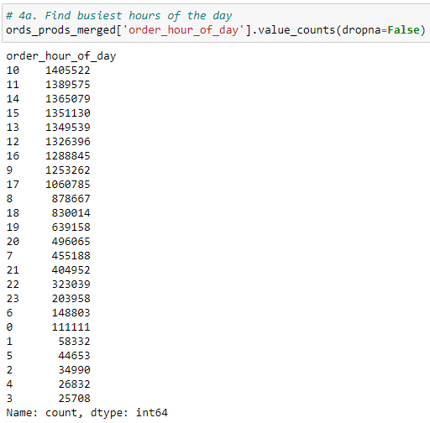
 |  |  |  | Title page

Column derivations and aggregations

In this tab you should add tables below that the frequences of flags/label variables that you produced after deriving them. NB: don't do this for continuous variables, only for flags.
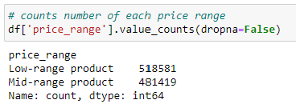
Dataset | New column | Column/s it was derived from | Conditions
ords_prods_merge | price_label | prices | Low-range product is less than 5 dollars. Mid-range product is between 5 and 15 dollars. High-range product is more than 15 dollars.
ords_prods_merge | Busiest_day | order_day_of_week | Based on value_counts of order_day_of_week, the busiest day is day 0, the least busy day is day 4, and the other five days are regularly busy.
ords_prods_merge | busiest_period_of_day | order_hour_of_day | Based on value_counts of order_hour_of_day, the times with the most orders are 10am, 11am, and 2pm. The times with the fewest orders are 2am, 3am, and 4am. All other times have an average number of orders.
ords_prods_merge | loyalty_flag | order_number | A user with more than 40 orders is loyal. A user with between 10 and 40 orders is regular. A user with less than 10 orders is new.
ords_prods_merge | spender_status | prices | A user whose total order price is less than 10 dollars is a low spender. A user who total order price is more than 10 dollars is a high spender.
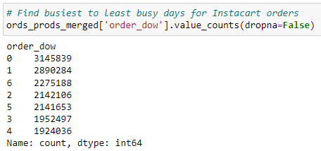
ords_prods_merge | order_frequency | days_since_prior_order | More than 20 days since their last order makes the user a non-frequent customer. Between 10 and 20 days since their last order makes the user a regular customer. Less than 10 days since their last order makes the user a frequent customer.

6. Visualizations
 |  |  |  |  |  |  | Title page

Visualisations

In this tab you should include all the visualtions from Exercises 4.9 and 4.10, alongside the questions from the project brief that they answer. Include any commentary on the relationship between different variables.

Visualizations relevant to Recommendations:
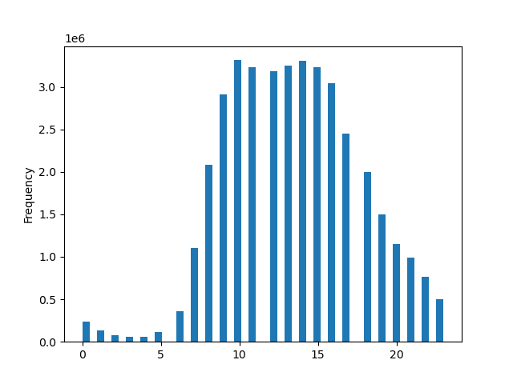
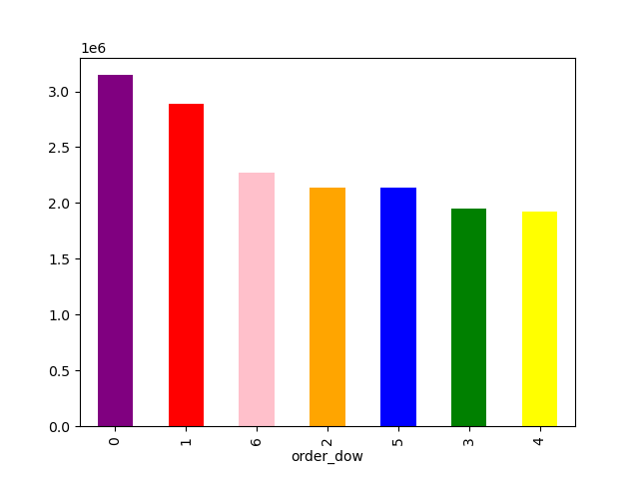
Number of Orders (in millions)

Number of Orders (in millions)
 |  |  |  |  | This graph shows the hour of day versus the number |  |  |  |  |  |  | Users place the most orders on Saturday and |  |  |  | Among high spenders, there is not much variation among number of users in each region.
 |  |  |  |  | of orders. Most orders are placed during the daytime, |  |  |  |  |  |  | Sunday. Users place the least orders on Tuesdays |  |  |  | There are the greatest number of users in the South and the least number of users in the Northeast.
 |  |  |  |  | especially between 9am and 3pm. There are very few |  |  |  |  |  |  | and Wednesdays. |  |  |  | Weather may be a consideration in that there are more winter storms in the Northeast than the South.
 |  |  |  |  | orders placed before 5am.

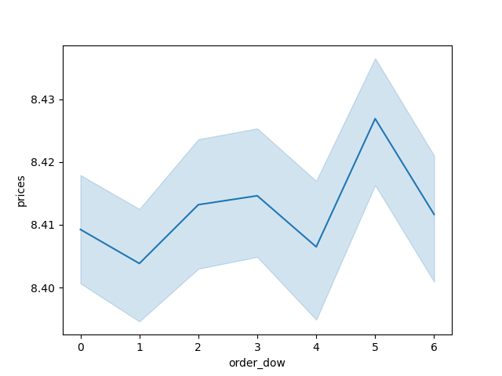

Average Price of Order
 |  |  |  |  |  |  |  |  |  |  |  |  |  |  |  | Users spend the most money on Thursday and the least
 |  | Hour of Day (0 = midnight) |  |  |  |  |  |  |  |  |  |  |  |  |  | money on Sunday.

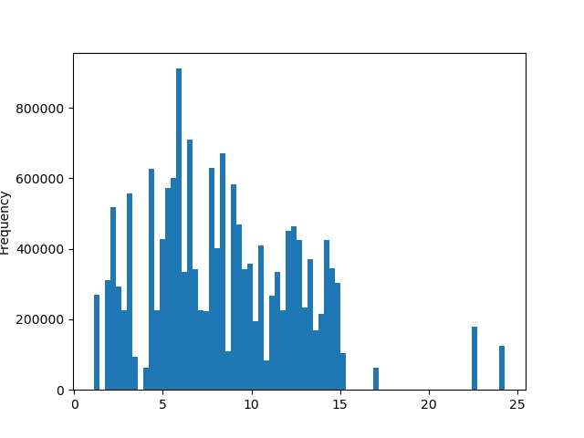
 |  |  |  |  |  |  | Day of the Week that Order was Placed
 |  |  |  |  |  |  | (0 = Saturday, 1 = Sunday, 4 = Tuesday)
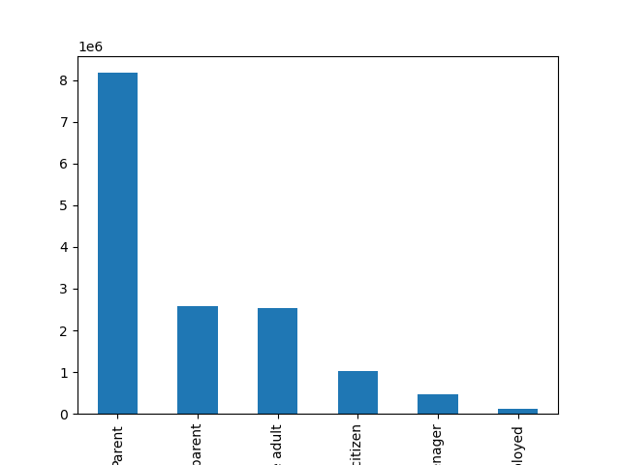
 |  |  |  |  |  |  |  |  |  |  |  | This is a bar chart showing the distribution of
 |  |  |  |  |  |  |  |  |  |  |  | different profiles. Most of the InstaCart users are
 |  |  |  |  |  |  |  |  |  |  |  | parents and very few users are unemployed.
Number of Items
Number of Users
 |  |  |  |  | This graph shows the number of items at each price. Most items
 |  |  |  |  | are approximately seven dollars, but there are a few items
 |  |  |  |  | over 20 dollars.

 |  |  |  |  |  |  |  |  |  |  |  |  |  | Day of the Week that Order was Placed
 |  |  |  |  |  |  |  |  |  |  |  |  |  | (0 = Saturday, 1 = Sunday, 6 = Friday)

 |  |  | Price (dollars) |  |  | Parent | Young Parent | Young Adult | Senior citizen | Teenager | Unemployed

 |  |  |  |  |  |  |  | Profiles

Visualizations not relevant to Recommendations:
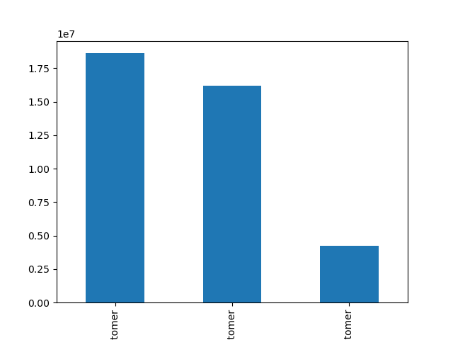
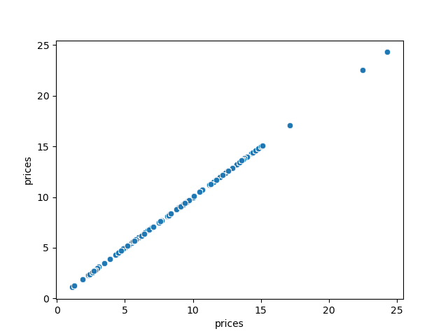
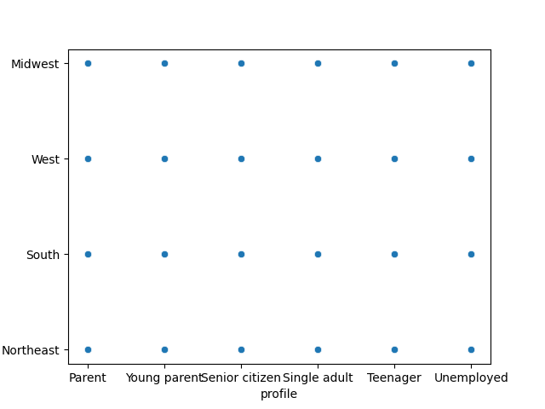
Number of Orders (in millions)
 |  |  |  |  | This graph shows loyalty_status versus number of orders,
 |  |  |  |  | with low on the left and high on the right. It seems like |  |  |  |  |  |  | There are three items that have very high prices
 |  |  |  |  | the customers who are most loyal tend to place less orders |  |  |  |  |  |  | compared to all the other items. |  |  | Only a small subset of the original data was able to be analyzed in this graph due to memory
United States Region
 |  |  |  |  | overall, but loyal customers also place orders more frequently |  |  |  |  |  |  |  |  |  | errors. This scatterplot suggests that there are people within each profiles in each region.
 |  |  |  |  | (meaning there is less time between orders placed).

 | Low |  | Average | High
 | Loyalty |  | Loyalty | Loyalty
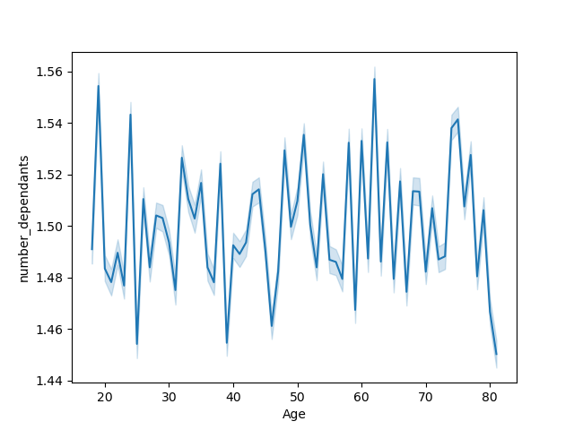
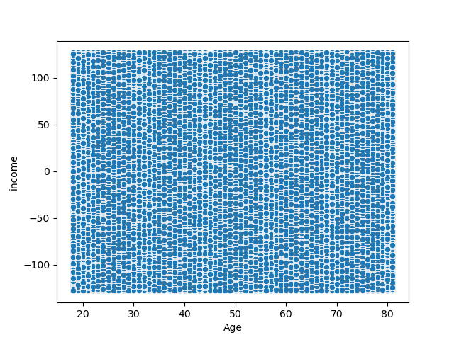

 |  |  |  |  | There is not a clear relationship between age and number of
 |  |  |  |  | dependants. However, older people tend to have less |  |  |  |  |  |  |  | There does not appear to be a strong correlation between
 |  |  |  |  | dependants. |  |  |  |  |  |  |  | age and income, which is surprising because I would expect
 |  |  |  |  |  |  |  |  |  |  |  |  | income to increase slightly with age. However, there are many
 |  |  |  |  |  |  |  |  |  |  |  |  | reasons for age and income to not increase together, such
 |  |  |  |  |  |  |  |  |  |  |  |  | as retirement and high incomes for younger workers.

7. Recommendations
 |  |  |  |  |  |  | Title page

Recommendations

In this tab you should include any recommendations you would made to Instcart in terms of their marketing strategy based on the questions posed in the brief. Every key question has been covered in the Tasks of the Exercises - here you need to add an item - a visualisation or table/crosstable that is showing the answer in the data, acompanied by a comment from you. Please, list the questions below and add the answer underneath.

Question |  |  |  |  | This graph shows the hour of day versus the number
When are the busiest days of the week and hours of the day? |  |  |  |  | of orders. Most orders are placed during the daytime,
 | The busiest days are Saturday and Sunday. |  | Users spend the most money on Thursday and Friday. |  | especially between 9am and 3pm. There are very few
 |  |  |  |  | orders placed before 5am.

Number of Orders (in millions)
Average Price of Order
Number of Orders (in millions)
 |  |  |  |  |  |  |  | It is recommended to schedule targeted ads on Saturdays and Sundays
 |  |  |  |  |  |  |  | between 9am and 3pm because there are a high number
 |  |  |  |  |  |  |  | of users placing orders during this window. However, it would
 |  |  |  |  |  |  |  | also be beneficial to provide more general ads between 6am and 9am,
 |  |  |  |  |  |  |  | as well as between 3pm and 8pm, because people are still placing
 |  |  |  |  |  |  |  | orders, but not as many. In addition, although there are not as many
 |  |  |  |  |  |  |  | orders placed on Thursday, more expensive orders are placed on
 |  |  |  |  |  |  |  | Thursday, and it might be helpful to track these more
 |  |  |  |  |  |  |  | expensive items.

 | Day of the Week that Order was Placed |  |  | Day of the Week that Order was Placed |  | Hour of Day (0 = midnight)
 | (0 = Saturday, 1 = Sunday, 4 = Tuesday) |  |  | (0 = Saturday, 1 = Sunday, 6 = Friday)

Are there specific times of the day when people spend the most money?

Number of Orders (in millions)
 |  |  | People spend the most money between 9am and 3pm, which is a common time for lunch.
 |  |  | Any items that are considered lunch items, especially meals that can be prepped in an
 |  |  | office, would likely be good choices to advertise at these peak times.

 |  | Hour of Day (0 = midnight)

What are the optimal price range groupings?

Number of Items
 |  |  | This graph shows the frequency of prices. Most items are approximately seven dollars,
 |  |  | but there are a few items over 20 dollars. It is likely best to group prices by five dollars,
 |  |  | especially knowing that most items are less than 15 dollars.

 |  | Price (dollars)

Are there certain types of products that are more popular than others? - marketing and sales teams can know which departments have the highest frequency of product orders

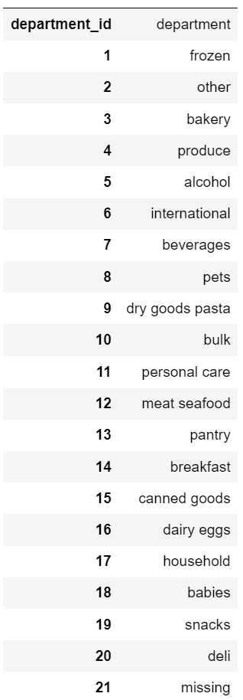
 |  |  |  | The personal care items, snacks, and pantry items are the most popular departments, which
 |  |  |  | is important information for choosing ads, as well as for inventory needs. Meat and seafood, other
 |  |  |  | miscellaneous items, and bulk goods are the least popular departments. It might be worth noting
 |  |  |  | that non-perishable items tend to be more popular than perishable items that have to be stored
 |  |  |  | quickly.

